Instructions
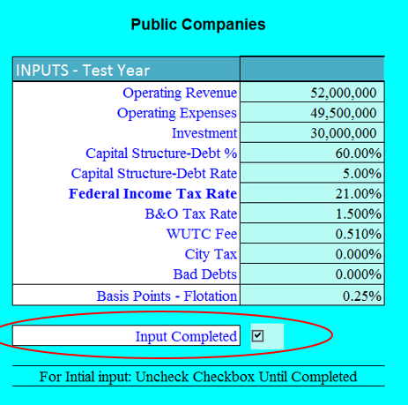
Lurito Gallagher Model Replacement V5.0c - Use the inputs box to enter company information.
This model has been designed to replace the original LG model because of the original model's inability to use lower income tax rates.
It uses the same computational data and method reflected in the original model and therefore should produce the same Revenue Requirements that the original model.

Error Cascade | Circular Reference Error

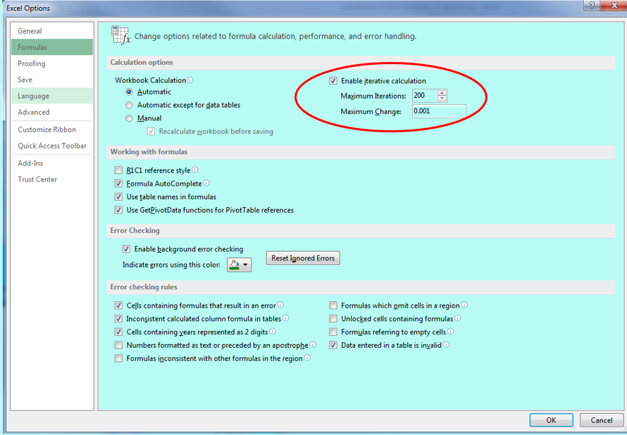
To prevent a model "error cascade" caused by large changes in numbers, | Check the "Enable iterative calculation" box.
the new model uses an "INPUTS" box for initially entering the company data. | File>Options>Formulas
For the initial input of numbers uncheck the "Input competed" box.
When data has been entered into the Inputs box, recheck.

